Accueil
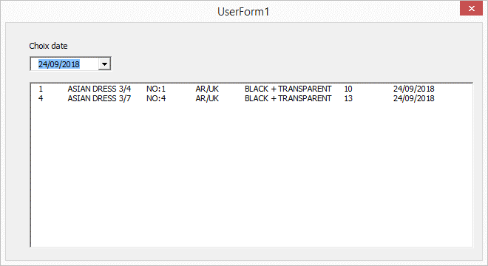
Filtre clé date
Dim f, BD()
Option Compare Text
Private Sub UserForm_Initialize()
' http://boisgontierjacques.free.fr
Set f = Sheets("BD")
Set d = CreateObject("Scripting.Dictionary")
BD = f.Range("A2:H" & f.[A65000].End(xlUp).Row).Value
Me.ListBox1.List = BD
For i = LBound(BD) To UBound(BD)
d(BD(i, 7)) = ""
Next i
Me.ComboBox1.List = d.keys
Me.ListBox1.ColumnCount = 7
Me.ListBox1.ColumnWidths = "30;80;50;50;100;50;50"
End Sub
Private Sub ComboBox1_click()
Dte = CDate(Me.ComboBox1): n = 0
Dim Tbl()
For i = 1 To UBound(BD)
If BD(i, 7) = Dte Then
n = n + 1: ReDim Preserve Tbl(1 To UBound(BD, 2), 1 To n)
For k = 1 To UBound(BD, 2): Tbl(k, n) = BD(i, k): Next k
End If
Next i
Me.ListBox1.Column = Tbl
End Sub

